raw_data_coho_JD
Raw coho count by julian day

DAILY:
JD | 2021 | 2022 | 2023 | 2024 | 2025
140
141
142
143
144
145
146
147
148
149
150
151
152
153
154
155
156
157
158
159
160
161
162
163
164 |  | 0 |  | 0
165 |  | 0 |  | 0
166 |  | 0 |  | 0
167 |  | 0 | 0 | 0
168 |  | 0 | 0 | 0
169 |  | 0 | 0 | 0
170 |  | 0 | 0 | 0
171 | 0 | 0 | 0 | 0 | 0
172 | 0 | 0 | 0 | 0 | 0
173 | 0 | 0 | 0 | 0 | 0
174 | 0 | 0 | 0 | 0 | 0
175 | 0 | 0 | 0 | 0 | 0
176 | 0 | 0 | 0 | 0 | 0
177 | 0 | 0 | 0 | 0 | 0
178 | 0 | 0 | 0 | 0 | 0
179 | 0 | 0 | 0 | 0 | 0
180 | 0 | 0 | 0 | 0 | 0
181 | 0 | 0 | 0 | 0 | 0
182 | 0 | 0 | 0 | 0 | 0
183 | 0 | 0 | 0 | 0 | 0
184 | 0 | 0 | 0 | 0 | 0
185 | 0 | 0 | 0 | 0 | 0
186 | 0 | 0 | 0 | 0 | 0
187 | 0 | 0 | 0 | 0 | 0
188 | 0 | 0 | 0 | 0 | 0
189 | 0 | 0 | 0 | 0 | 0
190 | 0 | 0 | 0 | 0 | 0
191 | 0 | 0 | 0 | 0 | 0
192 | 0 | 0 | 0 | 0 | 0
193 | 0 | 0 | 0 | 0 | 0
194 | 0 | 0 | 0 | 0 | 0
195 | 0 | 0 | 0 | 0 | 0
196 | 0 | 0 | 0 | 0 | 0
197 | 0 | 0 | 0 | 0 | 0
198 | 0 | 0 | 0 | 0 | 0
199 | 0 | 0 | 0 | 0 | 0
Method:
1) Run the Missfill algorithm on the Github site : commfish/Chilkat_Sockeye: Chilkat_sockeye. Currently, we are using the global missfill. If we have more data, we can use the local missfill which does a 10-year running average instead of using all the data.
2) Round the results up to the nearest fish (e.g., even if the number is 1.01, round to 2 fish). Change any negatives to 0.
3) Use these new values as the coho count for missing values. If the missfill funtion fills in data for other years that are not needed, do not use these values.
4) Justification for the missfill method can be cited from:
Piston, A. W., and T. M. Fish. 2025. Operational plan: Southeast Alaska pink salmon escapement index surveys, 2025–2027. Alaska Department of Fish and Game, Division of Commercial Fisheries, Regional Operational Plan No. ROP.CF.1J.2025.18, Douglas.
200 | 0 | 0 | 0 | 0 | 0
201 | 0 | 0 | 0 | 0 | 0
202 | 0 | 0 | 0 | 0 | 0
203 | 0 | 0 | 0 | 0 | 0
204 | 0 | 0 | 0 | 0 | 0
205 | 0 | 0 | 0 | 0 | 0
206 | 0 | 0 | 0 | 0 | 0
207 | 0 | 0 | 0 | 0 | 0
208 | 0 | 0 | 0 | 0 | 0
209 | 0 | 0 | 0 | 0 | 0
210 | 0 | 0 | 0 | 0 | 0
211 | 0 | 0 | 0 | 0 | 0
212 | 0 | 0 | 0 | 0 | 0
213 | 0 | 0 | 0 | 0 | 0
214 | 0 | 0 | 0 | 0 | 0
215 | 0 | 0 | 0 | 0 | 0
216 | 0 | 0 | 0 | 0 | 0
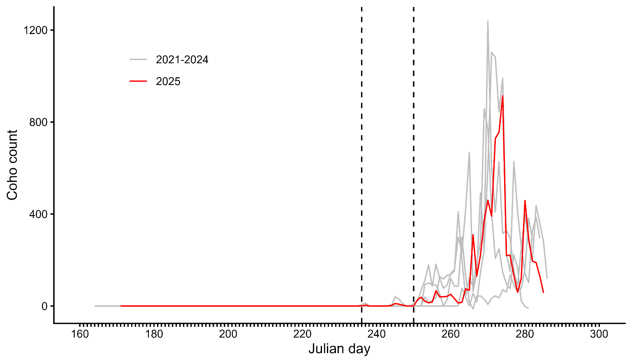
217 | 0 | 0 | 0 | 0 | 0
218 | 0 | 0 | 0 | 0 | 0
219 | 0 | 0 | 0 | 0 | 0
220 | 0 | 0 | 0 | 0 | 0
221 | 0 | 0 | 0 | 0 | 0
222 | 0 | 0 | 0 | 0 | 0
223 | 0 | 0 | 0 | 0 | 0
224 | 0 | 0 | 0 | 0 | 0
225 | 0 | 0 | 0 | 0 | 0
226 | 0 | 0 | 0 | 0 | 0
227 | 0 | 0 | 0 | 0 | 0
228 | 0 | 0 | 0 | 0 | 0
229 | 0 | 0 | 0 | 0 | 0
230 | 0 | 0 | 0 | 0 | 0
231 | 0 | 0 | 0 | 0 | 0
232 | 0 | 0 | 0 | 0 | 0
233 | 0 | 0 | 0 | 0 | 0
234 | 0 | 0 | 0 | 0 | 0
235 | 0 | 0 | 0 | 0 | 0
236 | 0 | 0 | 0 | 7 | 0 | 0
237 | 0 | 0 | 0 | 13 | 4 | 3.2846523565
238 | 0 | 0 | 0 | 0 | 0 | 0
239 | 0 | 0 | 0 | 0 | 0 | 0
240 | 0 | 0 | 0 | 0 | 0 | 0
241 | 0 | 0 | 0 | 0 | 0 | 0
242 | 0 | 0 | 0 | 0 | 0 | 0
243 | 0 | 0 | 0 | 0 | 0 | 0
244 | 7 | 0 | 0 | 0 | 2 | 1.7686589612
245 | 0 | 0 | 0 | 40 | 11 | 10.106622636
246 | 0 | 0 | 0 | 31 | 8 | 7.8326325425
247 | 0 | 0 | 0 | 12 | 4 | 3.0319867907
248 | 0 | 0 | 0 | 0 | 0 | 0
249 | 0 | 0 | 0 | -1 | 0 | -0.25266556589
250 | 0 | 0 | 0 | 11 | 0 | 0
251 | 0 | 0 | 0 | 23 | 26
252 | 0 | 0 | 0 | 68 | 38
253 | 39 | 93 | 0 | 111 | 21
254 | 13 | 100 | 0 | 178 | 14
255 | 25 | 93 | 0 | 85 | 17
256 | 37 | 91 | 0 | 182 | 66
257 | 128 | 53 | 0 | 122 | 40
258 | 117 | 1 | 0 | 77 | 40
259 | 133 | 26 | 0 | 91 | 42
260 | 137 | 119 | 0 | 141 | 51
261 | 153 | 86 | 0 | 159 | 32
262 | 410 | 86 | 0 | 300 | 13
263 | 203 | 300 | 77 | 234 | 16
264 | 39 | 131 | 45 | 419 | 75
265 | 0 | 18 | 123 | 668 | 68
266 | 55 | -13 | 84 | 63 | 310
267 | 18 | 42 | 193 | 144 | 130
268 | 145 | 44 | 276 | 492 | 221
269 | 244 | 30 | 857 | 247 | 372
270 | 1238 | 7 | 770 | 607 | 460
271 | 601 | 34 | 408 | 1103 | 391
272 | 408 | 44 | 207 | 1082 | 728
273 | 627 | 35 | 249 | 844 | 756
274 | 315 | 71 | 147 | 991 | 914
275 | 327 | 61 | 95 | 226 | 220
276 | 297 | 136 | 76 | 150 | 220
277 | 154 | 93 | 222 | 628 | 133
278 | 87 | 60 | 167 | 413 | 60
279 | 251 | 76 | 23 | 259 | 119
280 | 396 | 162 | -2 | 141 | 459
281 | 278 | 382 | -11 | 102 | 293
282 | 198 | 288 |  | 328 | 195
283 | 437 |  |  | 386 | 189
284 | 360 |  |  | 294 | 130
285 | 279 |  |  |  | 57
286 | 118
287
288
289
290
291
292
293
294
295
296
297
298
299
300
301
302
303
304
305
306
307
308
309
310
311
312
313
314
315
316
317
318
319
320
321
322
323
324
Subtotal | 8274 | 2749 | 4006 | 11471 | 6945

Subtotal | 8274 | 2749 | 4006 | 11471 | 6916
Total | 8274 | 2749 | 4006 | 11471 | 6945
Global missfill | 0 | 0 | 0 | 0 | 29
% Missfill | 0.00% | 0.00% | 0.00% | 0.00% | 0.42%

CUMULATIVE:
Date | 2021 | 2022 | 2023 | 2024 | 2025
140
141
142
143
144
145
146
147
148
149
150
151
152
153
154
155
156
157
158
159
160
161
162
163
164 |  | 0 |  | 0
165 |  | 0 |  | 0
166 |  | 0 |  | 0
167 |  | 0 | 0 | 0
168 |  | 0 | 0 | 0
169 |  | 0 | 0 | 0
170 |  | 0 | 0 | 0
171 | 0 | 0 | 0 | 0 | 0
172 | 0 | 0 | 0 | 0 | 0
173 | 0 | 0 | 0 | 0 | 0
174 | 0 | 0 | 0 | 0 | 0
175 | 0 | 0 | 0 | 0 | 0
176 | 0 | 0 | 0 | 0 | 0
177 | 0 | 0 | 0 | 0 | 0
178 | 0 | 0 | 0 | 0 | 0
179 | 0 | 0 | 0 | 0 | 0
180 | 0 | 0 | 0 | 0 | 0
181 | 0 | 0 | 0 | 0 | 0
182 | 0 | 0 | 0 | 0 | 0
183 | 0 | 0 | 0 | 0 | 0
184 | 0 | 0 | 0 | 0 | 0
185 | 0 | 0 | 0 | 0 | 0
186 | 0 | 0 | 0 | 0 | 0
187 | 0 | 0 | 0 | 0 | 0
188 | 0 | 0 | 0 | 0 | 0
189 | 0 | 0 | 0 | 0 | 0
190 | 0 | 0 | 0 | 0 | 0
191 | 0 | 0 | 0 | 0 | 0
192 | 0 | 0 | 0 | 0 | 0
193 | 0 | 0 | 0 | 0 | 0
194 | 0 | 0 | 0 | 0 | 0
195 | 0 | 0 | 0 | 0 | 0
196 | 0 | 0 | 0 | 0 | 0
197 | 0 | 0 | 0 | 0 | 0
198 | 0 | 0 | 0 | 0 | 0
199 | 0 | 0 | 0 | 0 | 0
200 | 0 | 0 | 0 | 0 | 0
201 | 0 | 0 | 0 | 0 | 0
202 | 0 | 0 | 0 | 0 | 0
203 | 0 | 0 | 0 | 0 | 0
204 | 0 | 0 | 0 | 0 | 0
205 | 0 | 0 | 0 | 0 | 0
206 | 0 | 0 | 0 | 0 | 0
207 | 0 | 0 | 0 | 0 | 0
208 | 0 | 0 | 0 | 0 | 0
209 | 0 | 0 | 0 | 0 | 0
210 | 0 | 0 | 0 | 0 | 0
211 | 0 | 0 | 0 | 0 | 0
212 | 0 | 0 | 0 | 0 | 0
213 | 0 | 0 | 0 | 0 | 0
214 | 0 | 0 | 0 | 0 | 0
215 | 0 | 0 | 0 | 0 | 0
216 | 0 | 0 | 0 | 0 | 0
217 | 0 | 0 | 0 | 0 | 0
218 | 0 | 0 | 0 | 0 | 0
219 | 0 | 0 | 0 | 0 | 0
220 | 0 | 0 | 0 | 0 | 0
221 | 0 | 0 | 0 | 0 | 0
222 | 0 | 0 | 0 | 0 | 0
223 | 0 | 0 | 0 | 0 | 0
224 | 0 | 0 | 0 | 0 | 0
225 | 0 | 0 | 0 | 0 | 0
226 | 0 | 0 | 0 | 0 | 0
227 | 0 | 0 | 0 | 0 | 0
228 | 0 | 0 | 0 | 0 | 0
229 | 0 | 0 | 0 | 0 | 0
230 | 0 | 0 | 0 | 0 | 0
231 | 0 | 0 | 0 | 0 | 0
232 | 0 | 0 | 0 | 0 | 0
233 | 0 | 0 | 0 | 0 | 0
234 | 0 | 0 | 0 | 0 | 0
235 | 0 | 0 | 0 | 0 | 0
236 | 0 | 0 | 0 | 7 | 0
237 | 0 | 0 | 0 | 20 | 4
238 | 0 | 0 | 0 | 20 | 4
239 | 0 | 0 | 0 | 20 | 4
240 | 0 | 0 | 0 | 20 | 4
241 | 0 | 0 | 0 | 20 | 4
242 | 0 | 0 | 0 | 20 | 4
243 | 0 | 0 | 0 | 20 | 4
244 | 7 | 0 | 0 | 20 | 6
245 | 7 | 0 | 0 | 60 | 17
246 | 7 | 0 | 0 | 91 | 25
247 | 7 | 0 | 0 | 103 | 29
248 | 7 | 0 | 0 | 103 | 29
249 | 7 | 0 | 0 | 102 | 29
250 | 7 | 0 | 0 | 113 | 29
251 | 7 | 0 | 0 | 136 | 55
252 | 7 | 0 | 0 | 204 | 93
253 | 46 | 93 | 0 | 315 | 114
254 | 59 | 193 | 0 | 493 | 128
255 | 84 | 286 | 0 | 578 | 145
256 | 121 | 377 | 0 | 760 | 211
257 | 249 | 430 | 0 | 882 | 251
258 | 366 | 431 | 0 | 959 | 291
259 | 499 | 457 | 0 | 1050 | 333
260 | 636 | 576 | 0 | 1191 | 384
261 | 789 | 662 | 0 | 1350 | 416
262 | 1199 | 748 | 0 | 1650 | 429
263 | 1402 | 1048 | 77 | 1884 | 445
264 | 1441 | 1179 | 122 | 2303 | 520
265 | 1441 | 1197 | 245 | 2971 | 588
266 | 1496 | 1184 | 329 | 3034 | 898
267 | 1514 | 1226 | 522 | 3178 | 1028
268 | 1659 | 1270 | 798 | 3670 | 1249
269 | 1903 | 1300 | 1655 | 3917 | 1621
270 | 3141 | 1307 | 2425 | 4524 | 2081
271 | 3742 | 1341 | 2833 | 5627 | 2472
272 | 4150 | 1385 | 3040 | 6709 | 3200
273 | 4777 | 1420 | 3289 | 7553 | 3956
274 | 5092 | 1491 | 3436 | 8544 | 4870
275 | 5419 | 1552 | 3531 | 8770 | 5090
276 | 5716 | 1688 | 3607 | 8920 | 5310
277 | 5870 | 1781 | 3829 | 9548 | 5443
278 | 5957 | 1841 | 3996 | 9961 | 5503
279 | 6208 | 1917 | 4019 | 10220 | 5622
280 | 6604 | 2079 | 4017 | 10361 | 6081
281 | 6882 | 2461 | 4006 | 10463 | 6374
282 | 7080 | 2749 |  | 10791 | 6569
283 | 7517 |  |  | 11177 | 6758
284 | 7877 |  |  | 11471 | 6888
285 | 8156 |  |  |  | 6945
286 | 8274
287
288
289
290
291
292
293
294
295
296
297
298
299
300
301
302
303
304
305
306
307
308
309
310
311
312
313
314
315
316
317
318
319
320
321
322
323
324

